Sheet1
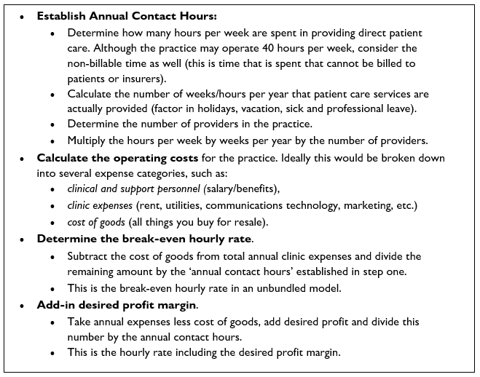
 | Enter data for your practice in the yellow boxes

 | Model 1 | Model 2

 |  | 2080 | hours/year
overhead/year | $400,000.00 | 8 | hrs/day
overhead/mo | $33,333.33 | 260 | work days/year

profit | $50,000.00 | 20 | days paid leave
yrly overhead + profit | $450,000.00 | 240 | days worked/year
monthly overhead + profit | $37,500.00
 |  | 6.5 | direct patient contact hours/day
direct patient contact hours/day | 6.5 | 1560 | contact hours/yr
hrs/wk | 32.5
hrs/mo | 130 | 1 | # audiologists in practice
 |  | 1560 | contact hours/yr
# audiologists in practice | 1
total hrs/mo | 130 | $115,000.00 | salary + benefits for all audiologists
 |  | $285,000.00 | overhead
what you need to charge to break even | $256.41 | $50,000.00 | profit
what you need to charge to make profit | $288.46
 |  | $400,000.00 | salary + overhead
 |  | $450,000.00 | salary + overhead + profit

 |  | $256.41 | what you need to charge to break even
 |  | $288.46 | what you need to charge to make profit

